Validation rules
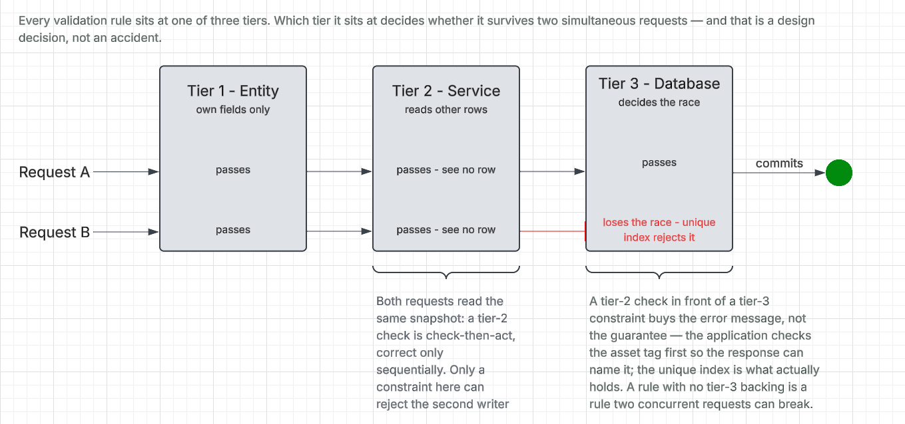
ID | Rule | Tier | Owner (class diagram)
RULE-01 | An asset tag is unique | service, db | Asset
RULE-02 | At most one open assignment per asset | TBD
RULE-03 | At most one open work order per asset | TBD
RULE-04 | Disposing an asset records a disposal date and a reason | entity | Asset
RULE-05 | A disposed asset accepts no transition and no edit | entity | Asset
RULE-07 | TBD | entity | Asset
RULE-10 | A closed assignment records a closure reason (Returned or ReportedLost); a Returned closure also records the returned condition | entity | AssetAssignment
RULE-11 | TBD | entity | AssetAssignment
RULE-12 | A closed assignment is never reopened and never deleted | entity | AssetAssignment
RULE-13 | A completed work order records a completion time and a resolution | entity | MaintenanceRecord
RULE-14 | TBD | entity | MaintenanceRecord
RULE-18 | Reference data names are unique within their type | db | LookupEntity
RULE-19 | TBD | TBD | LookupEntity
RULE-21 | The audit trail is append-only and has no foreign key to Users | by design | AuditLogEntry
RULE-23 | A refresh token belongs to one session and is stored only as a SHA-256 hash. Rotation rules TBD | service | RefreshToken (AuthService)
RULE-24 | TBD | service | Users (UserService)
RULE-25 | TBD | service | Users (UserService)

Tiers: entity = the object's own fields; service = reads other rows; db = a constraint or index decides the race. See rule-validation-tiers-diagram.png.

Asset transitions
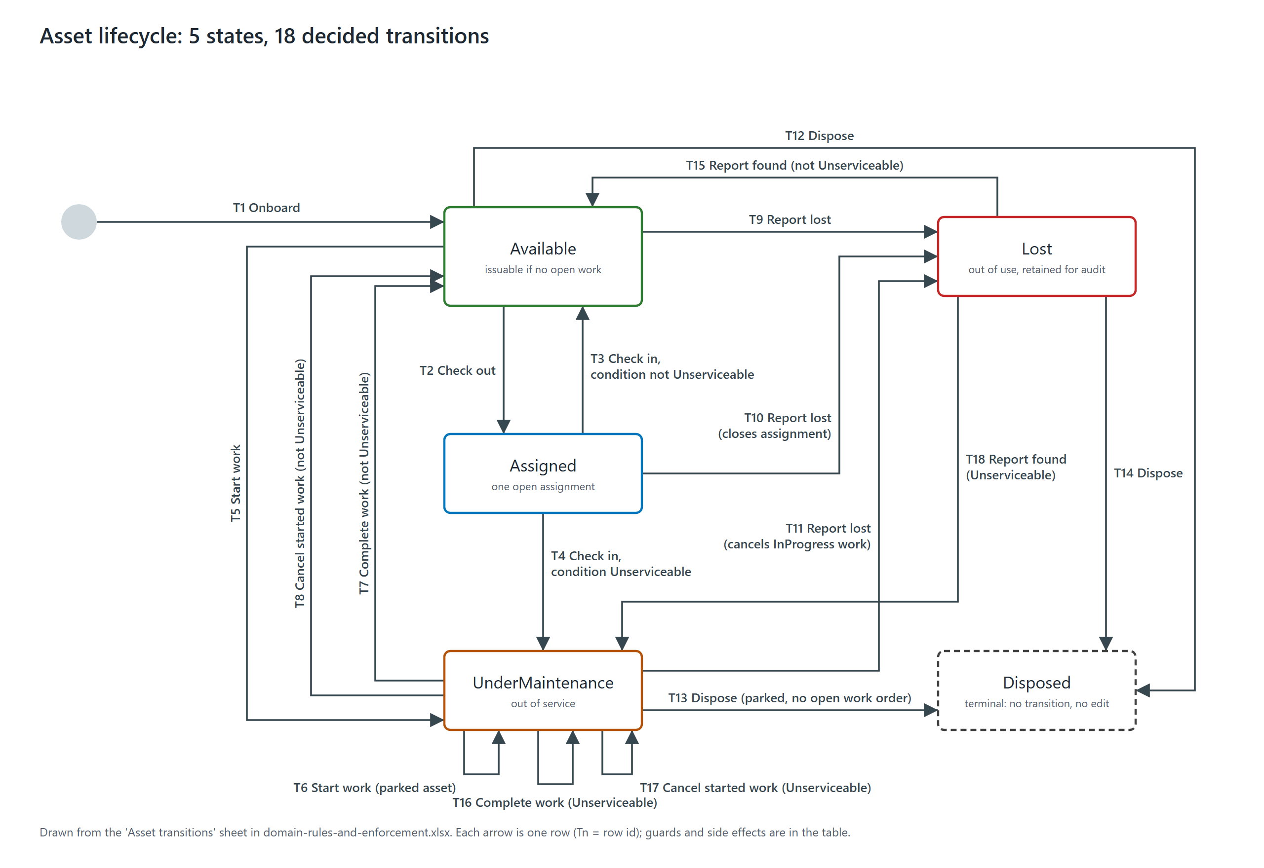
Id | From | Trigger | To | Also happens | Guard
T1 | (new asset) | Onboard | Available |  | TBD
T2 | Available | Check out | Assigned |  | TBD
T3 | Assigned | Check in, condition not Unserviceable | Available |  | TBD
T4 | Assigned | Check in, condition Unserviceable | UnderMaintenance |  | TBD
T5 | Available | Start work | UnderMaintenance |  | TBD
T6 | UnderMaintenance | Start work (parked asset) | UnderMaintenance |  | TBD
T7 | UnderMaintenance | Complete work, condition not Unserviceable | Available |  | TBD
T8 | UnderMaintenance | Cancel started work, not Unserviceable | Available |  | TBD
T9 | Available | Report lost | Lost |  | TBD
T10 | Assigned | Report lost | Lost | Closes the assignment | TBD
T11 | UnderMaintenance | Report lost | Lost | Cancels in-progress work | TBD
T12 | Available | Dispose | Disposed |  | TBD
T13 | UnderMaintenance | Dispose | Disposed | Only when parked, with no open work order | TBD
T14 | Lost | Dispose | Disposed |  | TBD
T15 | Lost | Report found, condition not Unserviceable | Available |  | TBD
T16 | UnderMaintenance | Complete work, condition Unserviceable | UnderMaintenance |  | TBD
T17 | UnderMaintenance | Cancel started work, Unserviceable | UnderMaintenance |  | TBD
T18 | Lost | Report found, condition Unserviceable | UnderMaintenance |  | TBD

Disposed accepts no trigger. Guards are TBD. See asset-transitions-diagram.png.

